findings
FINDINGS

09.20.18
 |  | Remarks
1 | How CCS send the password to User? | send directly to email username, cc to sdad support
2 | Modification of New Access Interface instead of dropdown menu it should be table layout.
3 | No defined requirements on Username and Password. For Username it should be at least 6 characters alphanumeric uppercase and for Password it should be at least 8 characters alphanumeric and special characters with lower and upper case, etc.
4 | No menu for reset and unlock Password for user at Manage Account directory
5 | User Access Matrix - kindly separate the menu of client information at Manage Card to client ACCOUNT information.
6 | User Access Matrix - additional role per user not take effect immediately. Please check the UAM per user role, not define on each user.
7 | On Manage Account Group, as Register New Access, what do you mean by Description and Index.
8 | On generation of card, Product and Institution not defined or no selection.
9 | Product and Institution still not yet linked
10 | Enroll New Accounts - make separate folder for unsuccessful registration/enrolment
11 | Make an Application ID for the successful enrolled new accounts as basis of the Approver.
12 | No Approver on client registration.
13 | On User ID dashboard, make an add button for go back to homepage.
14 | Make a directory window. sample: system user-->manage account-->Update account
15 | For Upload data, please separate or add a menu on all upload data.
16 | Upload perso file - what is this functions?
17 | Limiting the strings of characters for the date stamp including birthday and adjust to 24hour format.
18 | Additional menu for REGISTRATION. Only Enroll New Account and Approved Application. | 09.26.18 - (BRB) done but the make an adjustment on the approved application. Move the Pending Application on this menu. The enrolled application was approved on this menu.
19 | Balance of the cardholder shall be transferred to Card Manage, additional button "view account"
20 | NO CIF Number, it should be place before First Name.
21 | Tagging of cards should be in Manage Card, remove in Manage Account.
22 | System Users menu shall be transferred to Settings Menu
23 | Transactions Menu, revert back to demo version. Include all the transactions of the client not individual transactions.
24 | On the Transactions, change the name instead of DEVICE it should be TERMINAL No. and removed the USERNAME.
25 | Generate Upload Batch Branches Registration, BRB will adjust the default format using excel format.
26 | Terminal Number should not be auto gen.
27 | Manual Replacement of Card?
28 | Remove the other selection in Enrolled New Accounts (automatic new application). Add on the Product and Institution prior the card generation.

09.21.18
1 | To adjust the limit fees into a remittance fees but manual definition/configuration
2 | All details/data inputed should be uppercase | 09.26.18 (BRB) - done all the inputed data but include also all the dropdown list. Like male,female,married, etc
 | For Product Definition, make sure to view the inputed product name | 09.26.18 (BRB) - done

3 | For Product Definition, can we defined also the bills payment, or can we add manually for any additional fees?
4 | For Product Definition, there should be an ID Number on each product like 1-Cash Mate Co branded; 2 - Remittance; 3=Payroll. This should be the basis to identify the products in the card number. | 09.26.18 (BRB) - done
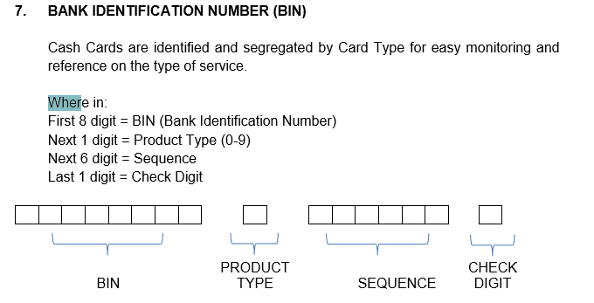

5 | No Selections of Receiving of Cash Cards as per UAM
6 | No selections of Pending Cash Mate Applications as per UAM
7 | No Batch Upload - Reissuance of Card as per UAM
8 | Additional Batch Upload - Existing client Data Information
9 | Amend about the findings on the Transaction, please retained the individual transactions and add the whole transactions same as the demo before
10 | For Institution, the set up are same for Branches. Institution configures only the Institution Name, Institution Code and the Product. | 09.26.18 (BRB) - where the products linked to this configuration.
11 | For Registration of Terminal, can you add the field for local port, keys, terminal name and address

09.24.18
1 | Report
 | Main Report - ok format but group together the type of transaction, (Onus, Acquirer, Issuer)
 | Approved Transaction ON US - wrong title, delete the Acquirer Institution since this is ON US transactions
 | Approved Transaction ACQUIRER - with other data/special characters on the above report
 | Approved Transaction ISSUER - wrong title, delete the Acquirer Institutions since this is ISSUER transactions
 | No Report - Approved Transaction per Terminal (Onus, Acquirer, Issuer)
 | Rejected Transaction ON US - wrong format
 | Rejected Transaction ISSUER - wrong format
 | Rejected Transaction ACQUIRER - wrong format
 | Reversal Transaction ON US - wrong format
 | Reversal Transaction ISSUER - wrong format
 | Reversal Transaction ACQUIRER - wrong format
 | Bills Payment Summary - wrong format, upon selection of date the title appeared was Interbank Fund Transfer
 | No Report - Interbank Fund Transfer
 | Cardholder Activity - wrong format
 | List of Card Activated - wrong format
 | List of Blocked Cards - wrong format
 | List of Expired Card - wrong format
 | Summary of Expired Card - wrong format
 | Upload Report - Change name into Top-up Report - revise format
 | Credit Report - wrong format
 | Debit Report - wrong format
 | Total Balance - wrong format
 | Mass Enrollment Report - wrong format
2 | Card number composition - sequence and the check digit please check. | still error on the sequence per products
 | Card Status - Active, Inactive, Lost, Stolen, Temporary Block and Permanent Block. Only temporary block has an access to change into Active
 | Enroll New Account - Separate details on Permanent and Present Address (street number, street name, subd name, barangay, town/city, province and country | done. 09.26.18
 | Enroll New Account - additional field for Source of Funds | done. 09.26.18

09.25.18
1 | Delete the initial balance in the generation of card number
2 | Approved Registered application without the generation of card number.

09.26.18
1 | Registration of User - email address error , without special character (SPECIAL CONDITION)
2 | The registered card number was incomplete. The check digit was missing after the enrolled new customer. Even the incomplete card number still processed the application

